Readme
High-Level Dimensional Modeling Worksheet
Use this worksheet to document your first phase of dimensional model design. You can complete this document during your team design sessions or aftwards using the notes from the design session.
What you will need:
- Business requirements document for your program or project. and / or
- Enterprise bus matrix of processes and dimensions.
Procedure
A) Start with the Bus Matrix tab, for each business process: 1) List the business process (from your requirements)
2) Declare the fact grain (type & granularity)
3) Identify each dimension used by this business process
4) Identify the facts from the business process
B) Next, fill out the Attributes & Metrics section:
1) For each dimension, brainstorm the attributes requred for the dimension, keeping in mind all of the business processes.
2) Keep it at a high level, write record issues in the Issues List if you have them.
3) Do the same for each fact table, explain derived facts.
C) Along the way as you encounter issues, record them to the Issues List tab so that you remember to address them at a later time.
When you're finished you should have a complete high-level specification and should be ready to begin the detailed dimensional model design process.

Overview
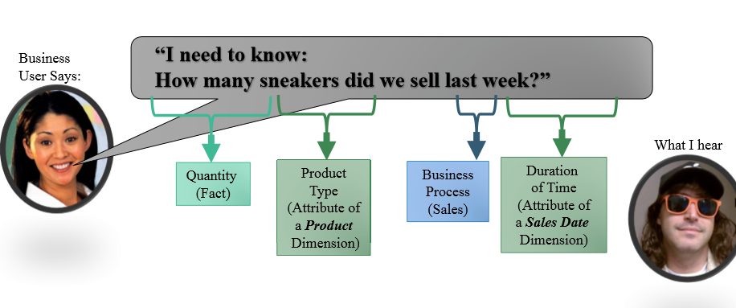
 | Fudgemart |  |  | FudgFlix
Table | Value | format | Table | Value | format
fm_customers | customer_id |  | ff_accounts | account_id
 | customer_firstname |  |  | account_firstname
 | customer_lastname |  |  | account_lastname
 | customer_address |  |  | account_address
 | customer_city |  |  | LOOKUP?
 | customer_state |  |  | LOOKUP?
 | customer_zip |  |  | account_zipcode

fm_customer_product_reviews | customer_id
 | product_id
 | review_date
 | review_stars |  | ff_titles | title_avg_rating

fm_products | product_id |  |  | title_id
 | product_name |  |  | title_name

fm_products | Product Description |  | ff_title_genres | tg_genre_name

References
